Mitchell_1dam_noLearntModel_5_S
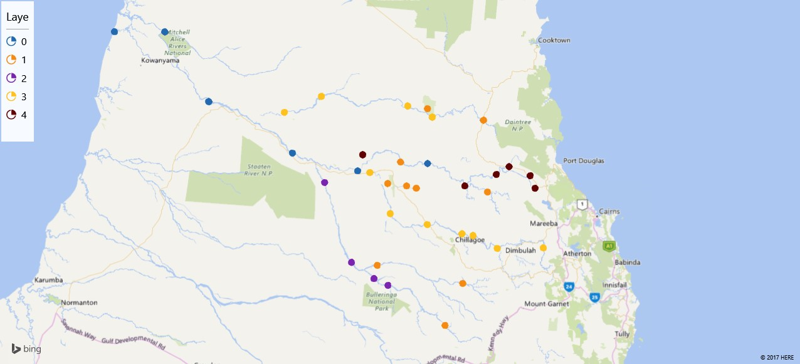
Gauge | Assignments | X Coordinate | Y Coordinate
9192020 | 3 | 144.3310968 | -16.08221466
9190093 | 2 | 143.625836 | -17.29944996
9190020 | 1 | 144.4427767 | -17.82500233
9190130 | 4 | 145.0022146 | -16.49779091
9192010 | 1 | 144.7783469 | -16.10834414
3D Maps Tours This workbook has 3D Maps tours available. Open 3D Maps to edit or play the tours.
9190120 | 4 | 143.7225292 | -16.39834508
9193092 | 3 | 143.9619819 | -16.8919331
9192030 | 3 | 143.3619257 | -15.90778576
9190140 | 4 | 144.8911378 | -16.56303564
9190050 | 4 | 145.22889 | -16.67917818
9193100 | 3 | 144.2875164 | -16.98305274
9190010 | 4 | 145.1869515 | -16.57326415
9190111 | 1 | 144.053913 | -16.46055546
9192031 | 3 | 144.1153116 | -15.98805868
9193102 | 3 | 144.6866467 | -17.07534432
9190080 | 1 | 143.8502787 | -17.32416351
9193050 | 3 | 145.3011042 | -17.17834575
9193101 | 3 | 144.5908548 | -17.05970535
9190092 | 2 | 143.3902962 | -16.63003286
9193110 | 3 | 144.8989334 | -17.18224264
9190070 | 1 | 144.8138969 | -16.71057343
9190110 | 0 | 143.6786104 | -16.53390255
9193120 | 1 | 144.1063815 | -16.65972222
9190001 | 0 | 141.9930575 | -15.36417099
9193121 | 1 | 144.1911457 | -16.67858892
9190060 | 2 | 143.8205409 | -17.43502434
9190030 | 0 | 144.2897264 | -16.47139641
9192050 | 1 | 144.2891686 | -16.01196736
9190091 | 0 | 143.1080869 | -16.3841778
9193091 | 1 | 143.9411174 | -16.63943488
9190040 | 1 | 144.5969409 | -17.47390493
9193090 | 3 | 143.7855754 | -16.54612947
9190000 | 0 | 141.5530467 | -15.36333847
9190031 | 4 | 144.6147174 | -16.65947442
9190061 | 2 | 143.943608 | -17.49077704
9192040 | 3 | 143.0386238 | -16.04165441
9190090 | 0 | 142.3769873 | -15.95113728

